Sheet1
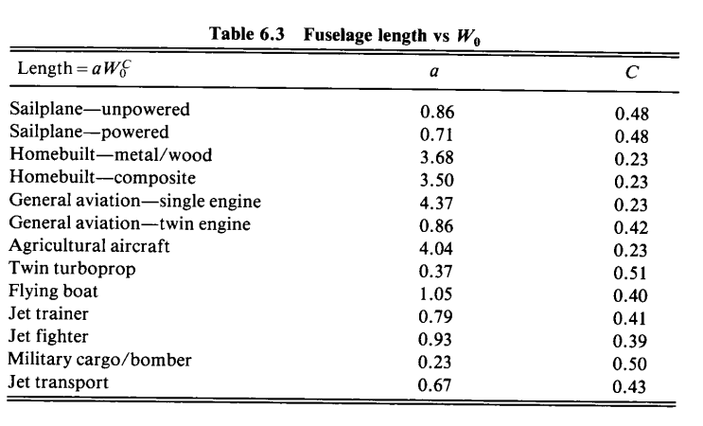
Endurance | 2 | hr |  |  | recycling composites | Power Sizing |  |  | Fuselage/Empenage |  |  |  | Thrust |  |  | Wing
MTOW/Payload | 6.555 |  |  |  | https://www.compositesworld.com/articles/recycling-end-of-life-composite-parts-new-methods-markets | Energy Density | 170 | Wh/kg | a | 0.71 |  |  | a | 0.043
Payload capacity | 1 | KG |  |  |  | Battery Eff | 0.6 |  | C | 0.48 |  |  | C | 0
Range | 86.4 | km |  |  |  | Converter Eff |  |  | l_f | 1.7507060913 |  |  | P_req | 0.621512325 | hp
Velocity | 12 | m/s |  |  |  | Inverter Eff |  |  | c_VT | 0.02 |  |  | P_req | 457.12231504 | W | 52.612813636
Altitude | 120 | m |  |  |  | Propeller Eff |  |  | c_HT | 0.5 |  |  | E_req | 914.24463007 | Wh | 105.22562727
Max total mass | 6.555 | kg | Stat relationship |  |  | Motor Eff |  |  | l_VT | 1.1379589594 |  |  | m_batt | 8.9631826478 | kg | 1.0316237968 | kg
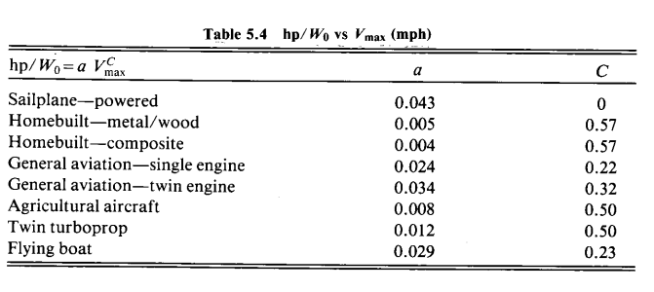
MTOW | 64.30455
OEW | 54.49455
Design gross weight |  |  |  |  |  |  |  |  | l_HT | 1.1379589594 | page 110
Wing loading (Cruise) | 97.02 | N/m^2 | https://www.researchgate.net/publication/349345669_Digitalization_with_the_Use_of_Unmanned_Aerial_Vehicle_UAV_in_Agriculture | . |  |  |  |  | S_VT | 0.027957289977
Max load factor | 3.75 |  |  |  |  |  |  |  | S_HT | 0.033510567888
Max wing loading | 363.825 |  |  |  |  | Power Loading |  |  | W_wing | 9.6456825 |  | 4.3844011364
Power loading
AR | 8.6904456994
Cl,cruise | 1.1 | NACA23018 | http://airfoiltools.com/airfoil/details?airfoil=naca23018-il#polars | .
T/W
Cl |  |  |  |  |  |  |  |  |  |  |  |  | page 80
Cd | 0.075 |  | 14.666666667
V-n diagram
Engine
Wing Area | 0.66279684601 | m^2
Wing Span | 2.4 | m | Stat relationship
MAC | 0.2761653525 | m
Power Efficiency | 0.6
Wing mass | 662.79684601 | g | Assuming foam

